Sheet1
소프트 밸리데이션

 | 3-2 | Program Language
 |  |  | STM8S105C4 | C LANGUAGE
 |  |  | SN8F570210S | C LANGUAGE

 | 3-3 | Software Platform(설계도)

 | * | STM8S105C4
 |  | 변수（变量） | 자료명（资料名） | 범위（范围） | 형식(形式)
 |  | Lock_Flag | data | 0x000010~0x0000FF | C LANGUAGE
 |  | ERROR_Flag_MainFan
 |  | Skin_Color_Type_Count_1
 |  | Skin_Color_Type_Count_3
 |  | Skin_Color_Type_Count_4
 |  | Skin_Color_Type_Count_5
 |  | Start_Flag
 |  | Flash_Times_Level
 |  | HV_Level_Count
 |  | Power_LED_Start_Flag
 |  | Receive_Buff
 |  | Mode_Flag
 |  | LAMP_Type
 |  | Key_Value_Error
 |  | Key_count
 |  | Judgment_Times
 |  | Key_Read_OK
 |  | HV_PID
 |  | Full_Charge_Beep_Flag
 |  | Full_Charge_Flag
 |  | Flash_times_LED_Count
 |  | Flash_ERROR
 |  | Flash_Time_Out
 |  | Discharge_Flag
 |  | Key_Byte_Value | bit | 0x000100~0x00010F
 |  | HVLevel_set3
 |  | HV_Level_Dowm_3
 |  | led_level_5count
 |  | led_level_5
 |  | Key_Trg
 |  | Lowlamp_Flag
 |  | Mute_Flag
 |  | BEEP_Count
 |  | Power_Flag
 |  | HV_Level_Dowm_5
 |  | HVLevel_set5
 |  | HV_Level
 |  | Key_Cont
 |  | Key_Int
 |  | ERROR_Flag_Count
 |  | First_Flash |  | 0x000110~0x00011F
 |  | Flash_Flag
 |  | Recevie_Data_Error
 |  | Skin_Color_Type
 |  | LED_Count
 |  | ERROR_Flag
 |  | Key_Push
 |  | Mode_Change
 |  | Mode_Trans
 |  | Probe_Error_Flag
 |  | LED_Flash_Count
 |  | LED_Flash_Long_Count
 |  | Level_Change
 |  | Flash_Ready
 |  | Flash_Times_LED_Flag
 |  | Head_Flag |  | 0x000121~0x00024
 |  | Receive_Buffer_Full_Flag
 |  | Receive_Count
 |  | Receive_Date_Length

 | * | SN8F570210S

 |  | Receive_Buff[15] | data | 0X3C~0X3F | 바이너리（通用二进制）
 |  | Receive_Count
 |  | Receive_Data_Length
 |  | Flash_Key_Push
 |  | Receive_Buffer_Full_Flag
 |  | Flash_Off_Flag |  | 0X40~0X4F
 |  | Check_Write_EEPROM_Timeout
 |  | Key_Read
 |  | Key_Trig
 |  | Key_Push
 |  | Skin_Tpye5_Count
 |  | Full_Charge_Flag
 |  | Low_Lamp
 |  | First_Push
 |  | Flash_Flag
 |  | Flash_Delay_Count
 |  | Mode_Type
 |  | Key_Count
 |  | No_Skin_Flag
 |  | Standard_Flash_Lock
 |  | EEPROM_Write_Number_Error |  | 0X50~0X5F
 |  | plus_times
 |  | EEPROM_ERROR_Flag
 |  | Analysis_Lock
 |  | Flash_Times_Level
 |  | Lock_Flag
 |  | Flash_Ready
 |  | Fan_Error_Flag
 |  | Cartridge_Error_Flag
 |  | Error_Flag
 |  | Lamp_Type
 |  | Flash_Level
 |  | Skin_Tpye |  | 0X40~0X65
 |  | readdata
 |  | R_W_flag
 |  | EEPROM_Error
 |  | EEPROM_Error_Count

 | * | STM8S105C4
 |  | 변수（变数） | 자료명（资料名） | 수용범위（范围） | 한계（界限） | 기본값（基本值）
 |  | Lock_Flag | data | 0x000010~0x0000FF | 000000H-00017FH | 0x00
 |  | ERROR_Flag_MainFan
 |  | Skin_Color_Type_Count_1
 |  | Skin_Color_Type_Count_3
 |  | Skin_Color_Type_Count_4
 |  | Skin_Color_Type_Count_5
 |  | Start_Flag
 |  | Flash_Times_Level
 |  | HV_Level_Count
 |  | Power_LED_Start_Flag
 |  | Receive_Buff
 |  | Mode_Flag
 |  | LAMP_Type
 |  | Key_Value_Error
 |  | Key_count
 |  | Judgment_Times
 |  | Key_Read_OK
 |  | HV_PID
 |  | Full_Charge_Beep_Flag
 |  | Full_Charge_Flag
 |  | Flash_times_LED_Count
 |  | Flash_ERROR
 |  | Flash_Time_Out
 |  | Discharge_Flag
 |  | Key_Byte_Value |  | 0x000100~0x00010F
 |  | HVLevel_set3
 |  | HV_Level_Dowm_3
 |  | led_level_5count
 |  | led_level_5
 |  | Key_Trg
 |  | Lowlamp_Flag
 |  | Mute_Flag
 |  | BEEP_Count
 |  | Power_Flag
 |  | HV_Level_Dowm_5
 |  | HVLevel_set5
 |  | HV_Level
 |  | Key_Cont
 |  | Key_Int
 |  | ERROR_Flag_Count
 |  | First_Flash |  | 0x000110~0x00011F
 |  | Flash_Flag
 |  | Recevie_Data_Error
 |  | Skin_Color_Type
 |  | LED_Count
 |  | ERROR_Flag
 |  | Key_Push
 |  | Mode_Change
 |  | Mode_Trans
 |  | Probe_Error_Flag
 |  | LED_Flash_Count
 |  | LED_Flash_Long_Count
 |  | Level_Change
 |  | Flash_Ready
 |  | Flash_Times_LED_Flag
 |  | Head_Flag |  | 0x000121~0x00024
 |  | Receive_Buffer_Full_Flag
 |  | Receive_Count
 |  | Receive_Date_Length

 | * | SN8F570210S
 |  | 변수 变数 | 자료명 资料名 | 수용범위 接受范围 | 한계 界限 | 기본값 基本值
 |  | Receive_Buff[15] | data | 0X3C~0X3F | 000H-OFFH | 0x00
 |  | Receive_Count
 |  | Receive_Data_Length
 |  | Flash_Key_Push
 |  | Receive_Buffer_Full_Flag
 |  | Flash_Off_Flag |  | 0X40~0X4F
 |  | Check_Write_EEPROM_Timeout
 |  | Key_Read
 |  | Key_Trig
 |  | Key_Push
 |  | Skin_Tpye5_Count
 |  | Full_Charge_Flag
 |  | Low_Lamp
 |  | First_Push
 |  | Flash_Flag
 |  | Flash_Delay_Count
 |  | Mode_Type
 |  | Key_Count
 |  | No_Skin_Flag
 |  | Standard_Flash_Lock
 |  | EEPROM_Write_Number_Error |  | 0X50~0X5F
 |  | plus_times
 |  | EEPROM_ERROR_Flag
 |  | Analysis_Lock
 |  | Flash_Times_Level
 |  | Lock_Flag
 |  | Flash_Ready
 |  | Fan_Error_Flag
 |  | Cartridge_Error_Flag
 |  | Error_Flag
 |  | Lamp_Type
 |  | Flash_Level
 |  | Skin_Tpye |  | 0X40~0X65
 |  | readdata
 |  | R_W_flag
 |  | EEPROM_Error
 |  | EEPROM_Error_Count

4 | Software 성능 요구사항 |  | Software 性能要求事项
 |  | Function |  | Requirement | Design | Control
 |  | Key | Operation Mode | Control operation mode | IPL Mode toggle | CPU1,2
 |  |  | IPL Pulse width mode more/less | Pulse on time control | 1~125msec(step 1msec) | CPU1,2
 |  |  | IPL Pulse delay more/less | Pulse off time control | 5~500msec(step 1msec) | CPU1,2
 |  |  | IPL Output power more/less | Output power control | 5~40msec(step 1msec) | CPU1,2
 |  |  | IPL Temperature more/less | Temperature control | -5ºC~25ºC (step 1ºC) | CPU1,2
 |  | Display | IPL Pulse type | NO Display | Single | CPU1,2
 |  |  | IPL Pulse width | NO Display | Range : 1~125 msec | CPU1,2
 |  |  | IPL Delay time | NO Display | Range : 5~500 msec | CPU1,2
 |  |  | IPL Output power | LED Level indicator | Range : 15~25J / cm2 | CPU1,2
 |  |  | operation | Flash lamp on/off | Detect hand/foot switch | CPU1,2

 |  | 통합 시스템 시험 | 综合系统试验
 | * | Set-up
 |  | 테스트 케이스 ID TEST CASE ID | MAIN SET & PROBE SET ( 타사 참고 자료 SET-0001 )
 |  | 목적 目的 | MCU의 포트, 타이머, ADC, 초기화 함수와 변수 데이터, 초기화 프로그램 메모리 명령에 따라 변수를 불러들여 초기화 한다 MCU的 PORT, TIMER, ADC,初始化 函数和 变数DATA，初始化 PROGRAM 存储命令的不同，传换变数初始化
 |  | 테스트 조건 测试条件 | 대상 변수들의 값이 초기값과 다른 값을 가지고 있다
 |  | 단계 阶段 | 확인대상 确认对象 |  | 예상출력값 预想输出值 | 실행결과 进行结果
 |  | 1 | STM8S105C4 | PA_ODR | 0x00 5000 | 0x00
 |  | 2 |  | PA_IDR | 0x00 5001 | 0x00
 |  | 3 |  | PA_DDR | 0x00 5002 | 0x00
 |  | 4 |  | PA_CR1 | 0x00 5003 | 0x00
 |  | 5 |  | PA_CR2 | 0x00 5004 | 0x00
 |  | 6 |  | PB_ODR | 0x00 5005 | 0x00
 |  | 7 |  | PB_IDR | 0x00 5006 | 0x00
 |  | 8 |  | PB_DDR | 0x00 5007 | 0x00
 |  | 9 |  | PB_CR1 | 0x00 5008 | 0x00
 |  | 10 |  | PB_CR2 | 0x00 5009 | 0x00
 |  | 11 |  | PC_ODR | 0x00 500A | 0x00
 |  | 12 |  | PC_IDR | 0x00 500B | 0x00
 |  | 13 |  | PC_DDR | 0x00 500C | 0x00
 |  | 14 |  | PC_CR1 | 0x00 500D | 0x00
 |  | 15 |  | PC_CR2 | 0x00 500E | 0x00
 |  | 16 |  | PD_ODR | 0x00 500F | 0x00
 |  | 17 |  | PD_IDR | 0x00 5010 | 0x00
 |  | 18 |  | PD_DDR | 0x00 5011 | 0x00
 |  | 19 |  | PD_CR1 | 0x00 5012 | 0x00
 |  | 20 |  | PD_CR2 | 0x00 5013 | 0x00
 |  | 21 |  | PE_ODR | 0x00 5014 | 0x00
 |  | 22 |  | PE_IDR | 0x00 5015 | 0x00
 |  | 23 |  | PE_DDR | 0x00 5016 | 0x00
 |  | 24 |  | PE_CR1 | 0x00 5017 | 0x00
 |  | 25 |  | PE_CR2 | 0x00 5018 | 0x00
 |  | 26 |  | PG_ODR | 0x00 501E | 0x00
 |  | 27 |  | PG_IDR | 0x00 501F | 0x00
 |  | 28 |  | PG_DDR | 0x00 5020 | 0x00
 |  | 29 |  | PG_CR1 | 0x00 5021 | 0x00
 |  | 30 |  | PG_CR2 | 0x00 5022 | 0x00
 |  | 31 |  | Flash | 0x00 505A | 0x00
 |  | 32 |  | ITC | 0x00 50A0 | 0x00
 |  | 33 |  | RST | 0x00 50B3 | 0x00
 |  | 34 |  | CLK | 0x00 50C0 | 0x00
 |  | 35 |  | WWDG | 0x00 50D1 | 0x00
 |  | 36 |  | IWDG | 0x00 50E0 | 0x00
 |  | 37 |  | BEEP | 0x00 50E0 | 0x00
 |  | 38 |  | SPI | 0x00 5200 | 0x00
 |  | 39 |  | UART2 | 0x00 5240 | 0x00
 |  | 40 |  | TIM1 | 0x00 5250 | 0x00
 |  | 41 |  | TIM2 | 0x00 5300 | 0x00
 |  | 42 |  | TIM3 | 0x00 5320 | 0x00
 |  | 43 |  | TIM4 | 0x00 5340 | 0x00
 |  | 44 |  | ADC1 | 0x00 53E0 | 0x00
 |  | 1 | SN8F570210S | P0 | 0x80 | 0x80
 |  | 2 |  | P0M | 0xF9 | 0xF9
 |  | 3 |  | P0UR | 0xF1 | 0xF1
 |  | 4 |  | P1 | 0x90 | 0x90
 |  | 5 |  | P1M | 0xFA | 0xFA
 |  | 6 |  | P1UR | 0xF2 | 0xF2
 |  | 7 |  | P1W | 0x91 | 0x91
 |  | 8 |  | P2 | 0xA0 | 0xA0
 |  | 9 |  | P2M | 0xFB | 0xFB
 |  | 10 |  | P2UR | 0xF3 | 0xF3
 |  | 11 |  | P4 | 0xE0 | 0xE0
 |  | 12 |  | P4M | 0xE4 | 0xE4
 |  | 13 |  | P4UR | 0x19 | 0x19
 |  | 19 |  | T0M | 0xC0 | 0xC0
 |  | 20 |  | T0C | 0x64 | 0x64
 |  | 21 |  | DPL | 0x82 | 0x82
 |  | 22 |  | DPH | 0x83 | 0x83
 |  | 23 |  | PCON | 0x87 | 0x87
 |  | 24 |  | WDTR | 0x86 | 0x86
 |  | 25 |  | TCON | 0x88 | 0x88
 |  | 26 |  | TMOD | 0x89 | 0x89
 |  | 27 |  | TCON0 | 0xE7 | 0xE7
 |  | 28 |  | TL0 | 0x8A | 0x8A
 |  | 29 |  | TL1 | 0x8B | 0x8B
 |  | 30 |  | TH0 | 0x8C | 0x8C
 |  | 31 |  | TH1 | 0x8D | 0x8D
 |  | 32 |  | TL2 | 0xCC | 0xCC
 |  | 33 |  | TH2 | 0xCD | 0xCD
 |  | 34 |  | CLKCMD | 0xE6 | 0xE6
 |  | 35 |  | CLKSEL | 0xE5 | 0xE5
 |  | 36 |  | TCON0 | 0xE7 | 0xE7
 |  | 37 |  | CCEN | 0xC1 | 0xC1
 |  | 38 |  | CCL1 | 0xC2 | 0xC2
 |  | 39 |  | CCH1 | 0xC3 | 0xC3
 |  | 40 |  | CCL2 | 0xC4 | 0xC4
 |  | 41 |  | CCH2 | 0xC5 | 0xC5
 |  | 42 |  | CCL3 | 0xC6 | 0xC6
 |  | 43 |  | CCH3 | 0xC7 | 0xC7
 |  | 44 |  | TC0R | 0xC8 | 0xC8
 |  | 45 |  | SRST | 0xF7 | 0xF7
 |  | 46 |  | PFLAG | 0xFF | 0xFF
 |  | 47 |  | IEN0 | 0xA8 | 0xA8

 |  | User Input
 |  | 테스트 케이스 ID TEST CASE ID |  | UI-0001
 |  | 목적 目的 | 기능 스위치의 신호를 감지한다 感知功能开关的信号
 |  | 테스트 조건 测试条件 | 기능 스위치 신호의 Bit를 변화시킨다 改变功能开关信号的Bit
 |  | 단계 阶段 | 확인대상 确认对象 |  | 예상출력값 预想输出值 | 실행결과 进行结果
 |  | 1 | SN8P2707 | 0xF7 | 0xF7 | 0xF7
 |  | 2 |  | 0xFD | 0xFD | 0xFD
 |  | 3 |  | 0xFA | 0xFA | 0xFA
 |  | 4 |  | 0xF7 | 0xF7 | 0xF7
 |  | 5 | SN8P2602 | 0xEF | 0xEF | 0xEF

 |  | User Input
 |  | 테스트 케이스 ID TEST CASE ID |  | UI-0002
 |  | 목적 目的 | 레벨 스위치의 신호를 감지한다 感知档位开关的信号
 |  | 테스트 조건 测试条件 | 레벨 스위치 신호의 Bit를 감지한다 感知档位开关信号的 Bit
 |  | 단계 阶段 | 확인대상 确认对象 |  | 예상출력값 预想输出值 | 실행결과 进行结果
 |  | 1 | SN8P2707 | 0xF7 | 0xF7 | 0xF7
 |  | 2 |  | 0xFE | 0xFE | 0xFE
 |  | 3 |  | 0xFB | 0xFB | 0xFB

 |  | User View
 |  | 테스트 케이스 ID TEST CASE ID |  | UV-0001
 |  | 목적 目的 | LED 표시에 데이터를 전송한다 向LED标志传送数据
 |  | 테스트 조건 测试条件 | 램프충전 전압을 변화시키며 입력한다 LAMP充电电压变化时输入
 |  | 단계 阶段 | 확인대상 确认对象 |  | 예상출력값 预想输出值 | 실행결과 进行结果
 |  | 1 | mode | FLASH | FLASH | FLASH
 |  |  | SN8P2602 Data | 0x20 | 0x20 | 0x20

 |  | User View
 |  | 테스트 케이스 ID TEST CASE ID |  | UV-0002
 |  | 목적 目的 | 레벌을 선택하여 DISPLAY 한다 选择档位后DISPLAY
 |  | 테스트 조건 测试条件 | LEVEL 값을 변화시키며 입력한다 LEVEL 值变化 就输入
 |  | 단계 阶段 | 확인대상 确认对象 |  | 예상출력값 预想输出值 | 실행결과 进行结果
 |  | 1 | SN8P2707 | 0xFE | 0xFE | 0xFE
 |  | 2 |  | 0xFC | 0xFC | 0xFC
 |  | 3 |  | 0xF8 | 0xF8 | 0xF8
 |  | 4 |  | 0xF0 | 0xF0 | 0xF0
 |  | 5 |  | 0xE0 | 0xE0 | 0xE0
 |  | 6 |  | 0xC0 | 0xC0 | 0xC0
 |  | 7 |  | 0x80 | 0x80 | 0x80
 |  | 8 |  | 0x00 | 0x00 | 0x00

7-3-1 |  | Software Architecture Design Chart (SAD)
 | 7-1 | Software Diagram (Device Firmware)

 | 7-1-1 | SN8P2707 FLOW CHART

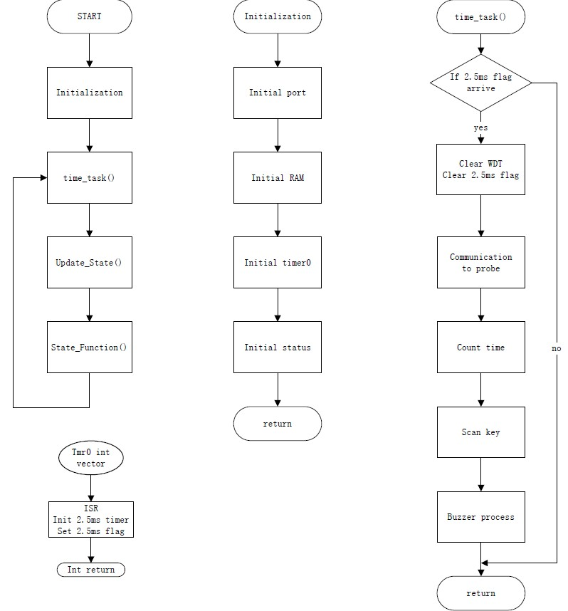
 | 7-1-1-A

 | 7-1-1-B
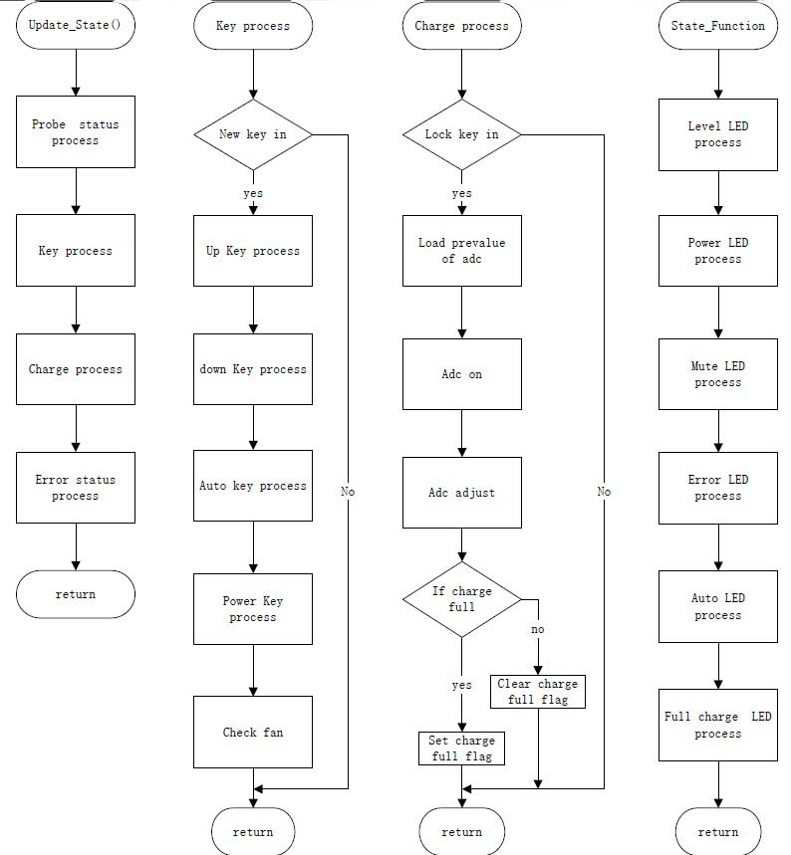

 | 7-1-2 | SN8P2602B FLOW CHART

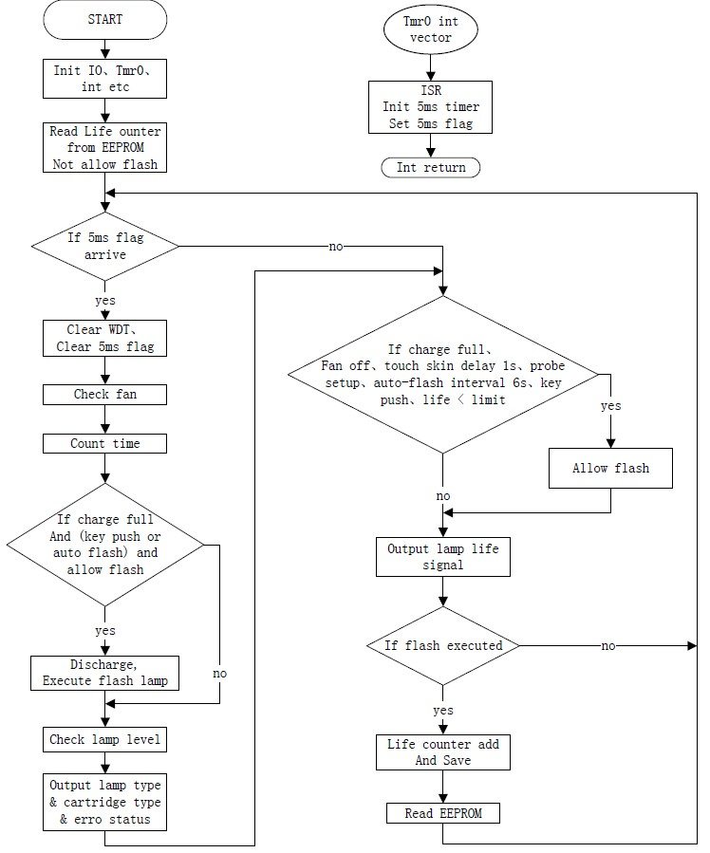

 | 7-2 | Software diagram description
 |  | The software consists with main processor, LED signal data controller and data storage.
 |  | 7.2.1 Main processor
 |  | 1) Level Battery Charge Check: Check the Level of battery charge (3 Level).
 |  | 2) Key Input Control: Check the key input pulse and determine the key function
 |  | 3) Power On/Off: System power on/off and the initial setting
 |  | 4) Mode Selection: Select 25beat measuring mode or 3M measuring mode
 |  | 5) Start/Stop operation: Read the key input control signal and LED signal Data controller signal or Read the Communication with PC signal and LED signal Data controller signal
 |  | 6) Data Calculation: Calculation of Heart rate and Heart pulse
 |  | 7) Display module: Display Battery level, selected mode, calculated data (Heart Rate, Heart Pulse) and number of stored records
 |  | 8) Delete the data: Delete the stored data
 |  | 9) Communication with PC: Communication with PC and the system
 |  | 7.2.2 LED signal data Controller
 |  | 1) Check the finger in/out and converter the LED signal to data
 |  | 7.2.3 Data storage management
 |  | 1) Store or delete the calculated data (Heart rate and Heart pulse)

 | 7-3 | Software Architecture Design Specification (Device Firmware)
 |  | 7.3.1 Initialization

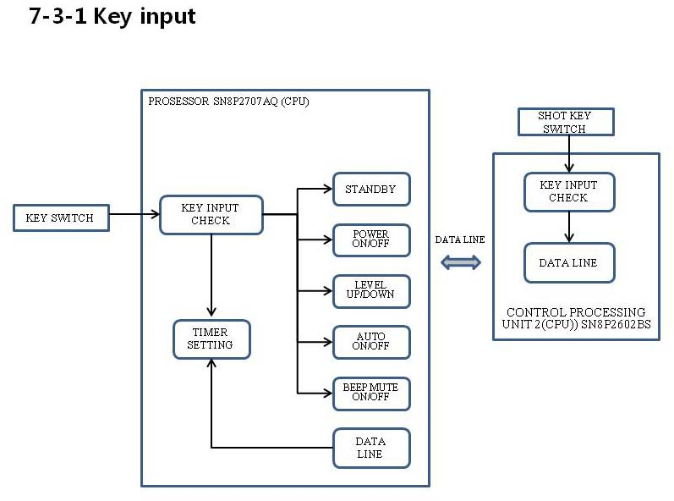

 |  | Identification | Function | Description
 |  | Initialization key input | Power On | 1. power&mute switch input
 |  |  |  | 2. Read Key input pulse time (Long pulse) check
 |  |  |  | * Power standby
 |  |  |  | 3. The Same time +&- Level switch input
 |  |  |  | 4. Read key input same time check and (long pulse) input
 |  |  | Power Off | 5. power&mute switch input
 |  |  |  | 6. Read key input pulse time ( long pulse ) check
 |  |  | Mute | 8. power&mute switch input
 |  |  |  | 9. Read key input pulse time (Short time) check
 |  |  | Auto shot | 1. Auto switch input
 |  |  |  | 2. Read key input pulse ( Normal time ) check
 |  |  | Level selection | 1. Level +,- switch input
 |  |  |  | 2. Reade Key Input pulse time (Short pulse) check

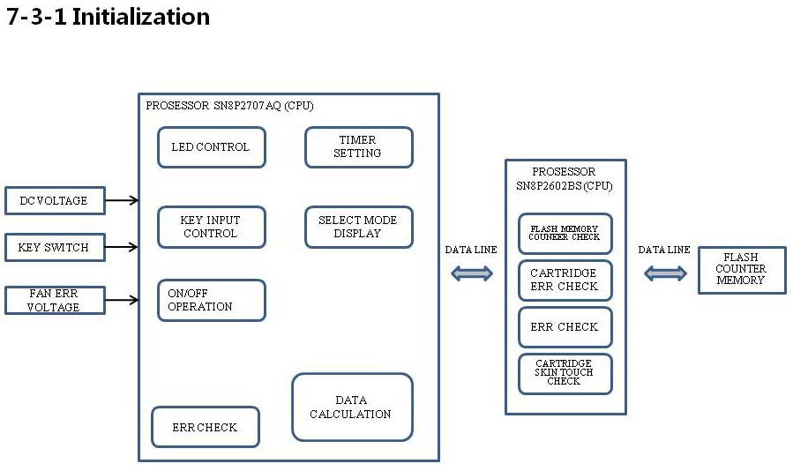

 |  | Identification | Function | Description
 |  | Initialization structure | cartridge err check | 1. IC11(SN8P2602BS) PIN8 and pin 9 HIGH LEVEL CHECK
 |  |  | Flash lamp Life time Memory | 1. IC16(11LC010) EEP ROM Memory check
 |  |  | timer seting | 1. key Use time check
 |  |  |  | 2. capacitor charge time check
 |  |  |  | 3. Flash after charge time check
 |  |  | skin touch | 1. skin sensor SN8P2602 PIN10 input Voltage check
 |  |  | Fan err | 1. IC8(SN8P2707) PIN22 LEVEL CHECK
 |  |  |  | 2. IC11(SN8P2602BS) PIN11 LEVEL CHECK
 |  |  | Level selection | IC8(SN8P2707) PIN26 VOLTAGE CHECK
 |  |  | Auto shot selection | 1, Level 5 Max
 |  |  |  | 2. Skin sensor on check
 |  |  | Mode display | 1. LED Display

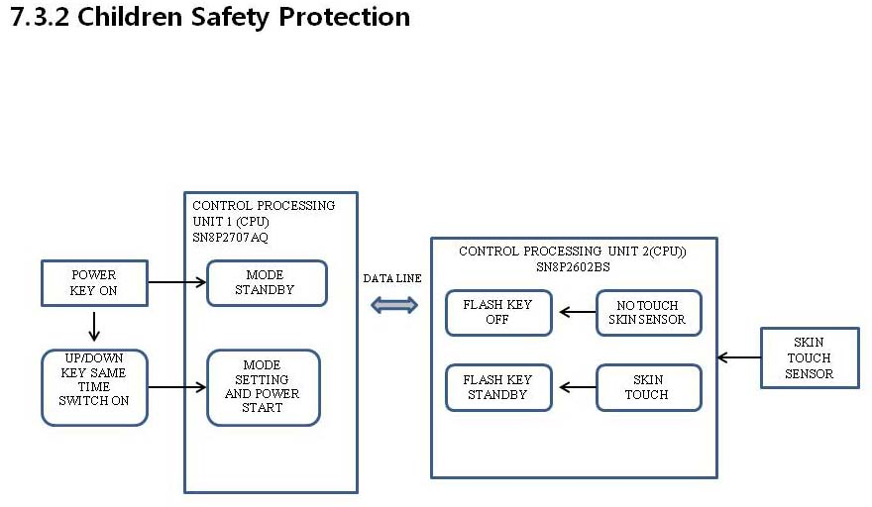

 |  | Identification | Function | Description
 |  | Children Safety Protection | Power | Power start After standby and two key the same time press After power ON
 |  |  | Flash | No touch Skim no flash.
 |  |  | Cartridge check | Cartridge not insert no flash

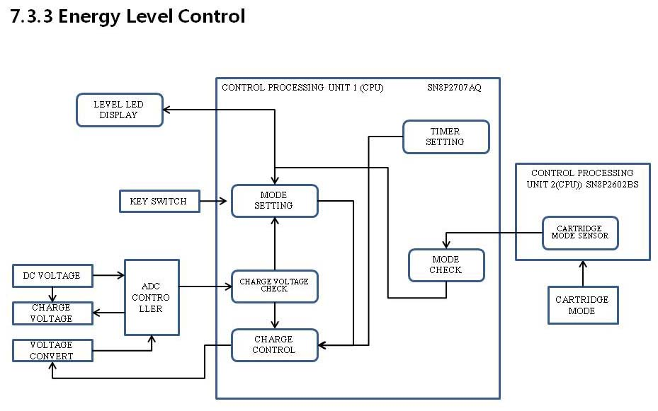

 |  | Identification | Function | Description
 |  | Energe Level Control | Normal Level | IC8(SN8P2707) Pin25 voltage level check control (Level 1~8)
 |  |  | Auto Level | IC8(SN8P2707) Pin25 voltage level check control (Level 1~5)
 |  |  | Cartridge check | IC11(SN8P2602) Pin8,9 voltage level check (1~5, Level 1~3)

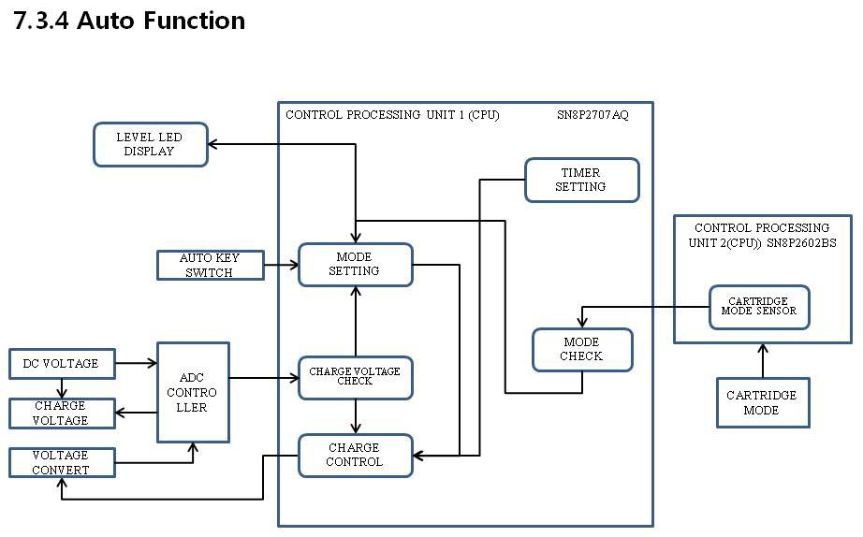

 |  | Identification | Function | Description
 |  | Auto Function | Level Check | IC8(SN8P2707 pin25) voltage level (Level 1~5)
 |  |  | Cartridge check | IC11(SN8P2602 pin8,9) voltage level (1~5, Level 1~3 Level )

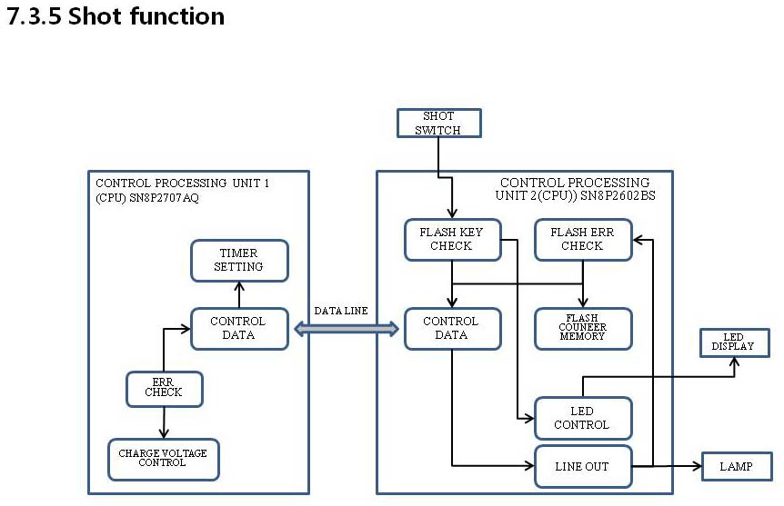

 |  | Identification | Function | Description
 |  | Shot Function | chagge voltage check | IC8(SN8P2707) pin25 voltage Level Full charge check (Level 1~8)
 |  |  | skin touch check | IC11(SN8P2602) PIN10 voltage level check

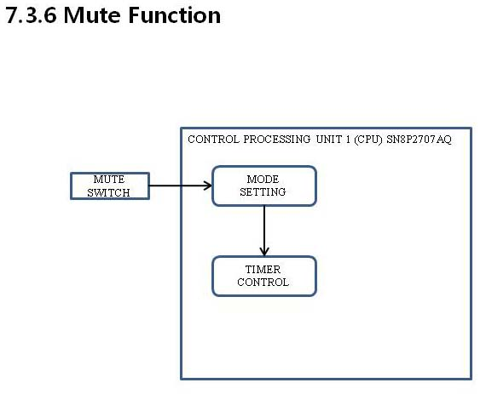

 |  | Identification | Function | Description
 |  | Mute Function | Power / Mute switch | IC8(SN8P2707) pin34 off

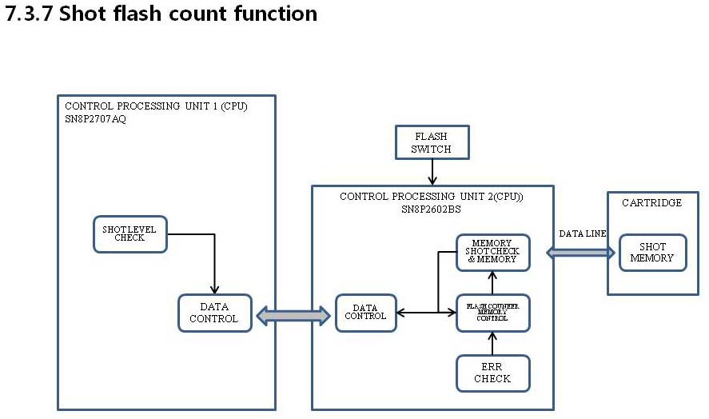

 |  | Identification | Function | Description
 |  |  | Memory count check | Memory check (IC16 11LC010 EEP ROM)
 |  | Shot flash count Function | Count memory | Charge Level check (Level 1~3) One time Use memory
 |  |  |  | Charge Level check (Level 4~5) Three time Use memory
 |  |  |  | Charge Level check (Level 6~8) five time Use memory
 |  |  | Max use time memory check | Max shot Memory check (Max 30, 000 time use)

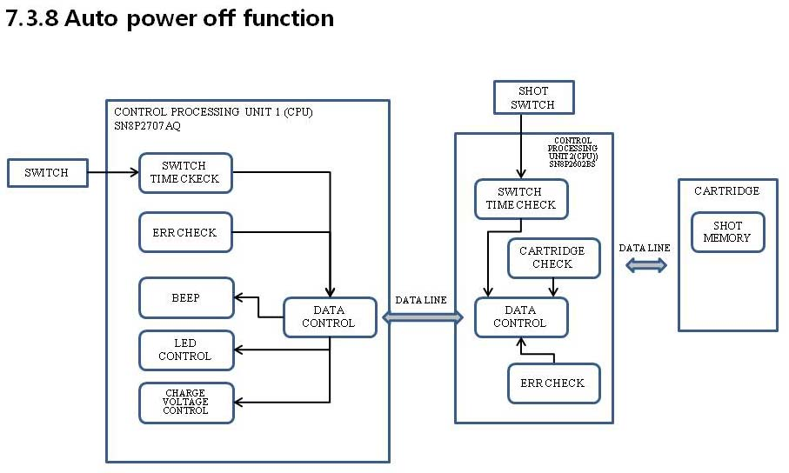

 |  | Identification | Function | Description
 |  | Auto power off Function | Auto charge off | Fan err
 |  |  |  | Cartridge err
 |  |  |  | Charge over time err
 |  |  |  | Shot memory over err
 |  |  | Auto power off | Key use of the Lapse time ( All key ten minute ) err

 | 8. | Software Design Specification (SDS)

